Quality Alert
Default | Description | Customer Selected Addressing
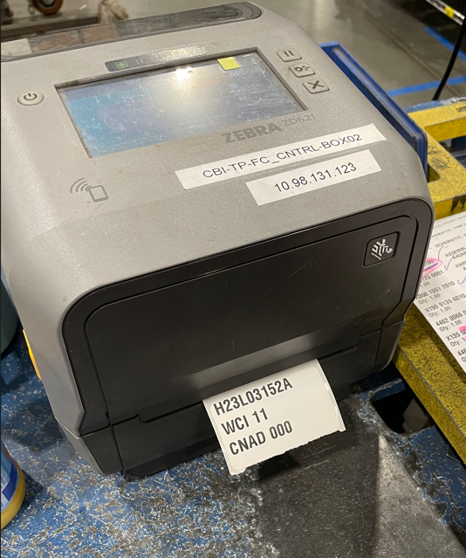 Default: CNAD 000 WCI 11 | 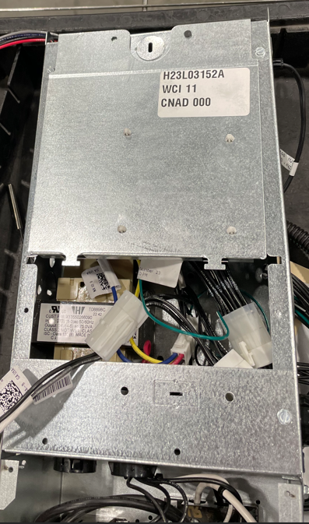 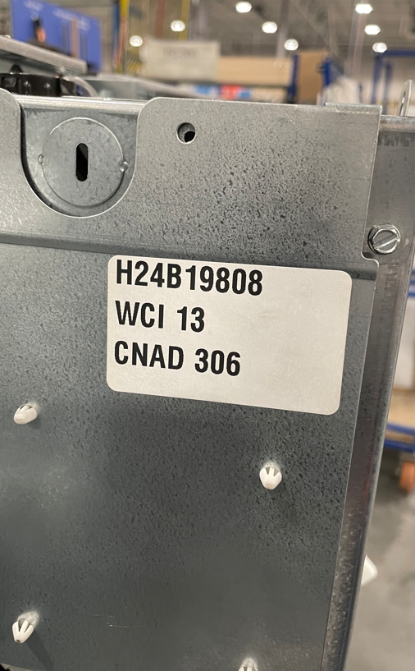 Terminal Products now offers selectable Factory Addressing with factory supplied controls. Customers have the option to order controls CNAD and WCI values set to their field requirements. | 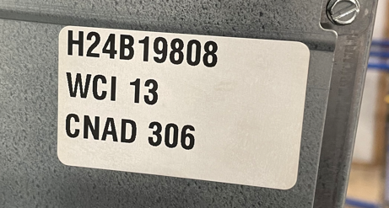 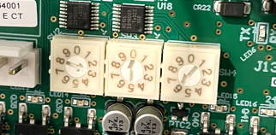 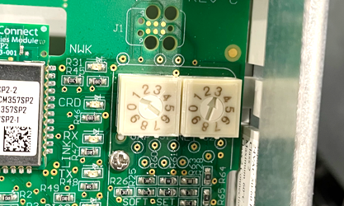 CS: WCI 13 CNAD 306

